Welcome
 |  | Refresh the workbook whenever you want to get the most up-to-date data for this template. Go to the Data tab > Refresh All.

 | Periodic table
 | Whether you're working on a school project or simply curious about science, this list will help you discover the fundamentals of chemistry.

 |  |  |  | 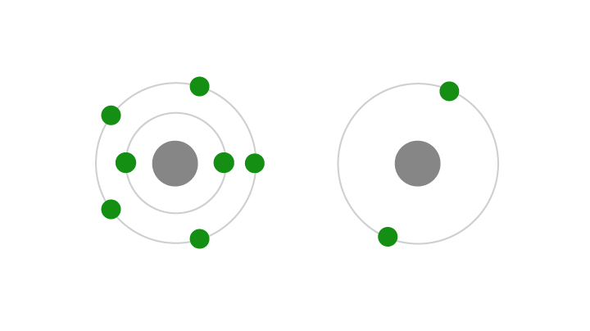 |  |  | 
 |  | Search and interact with the periodic table |  |  | Compare elemental properties |  |  | Track chemical compounds
 |  |  | Periodic table |  |  | Elements |  |  | Compound list

 |  |  |  |  |  |  | 
 |  | Explore chemical compound properties |  |  | Show your understanding |  |  | Do more with data types
 |  |  | Compound properties |  |  | Quiz |  |  | Learn more

 | Give feedback to help us improve this template

Learn more
Do more with data types
With linked data types, you can insert and work with reliable data from trusted online data sources. Microsoft has partnered with Wolfram to provide rich, interesting facts and data on numerous subjects that you can use and refresh—all without leaving Excel.
Here's how to use data types using the Space data type as an example.
❶ | Type Earth in the cell below.
 | Earth
 | You can type other names for the same thing. For example, you can type Planet Earth if you want.

❷ | With the cell above selected, go to the Data tab and in the Data Type Gallery menu, select the Space icon.
 | If Excel doesn't recognize the planet, you'll get the option to search for the correct one or try another.
 | 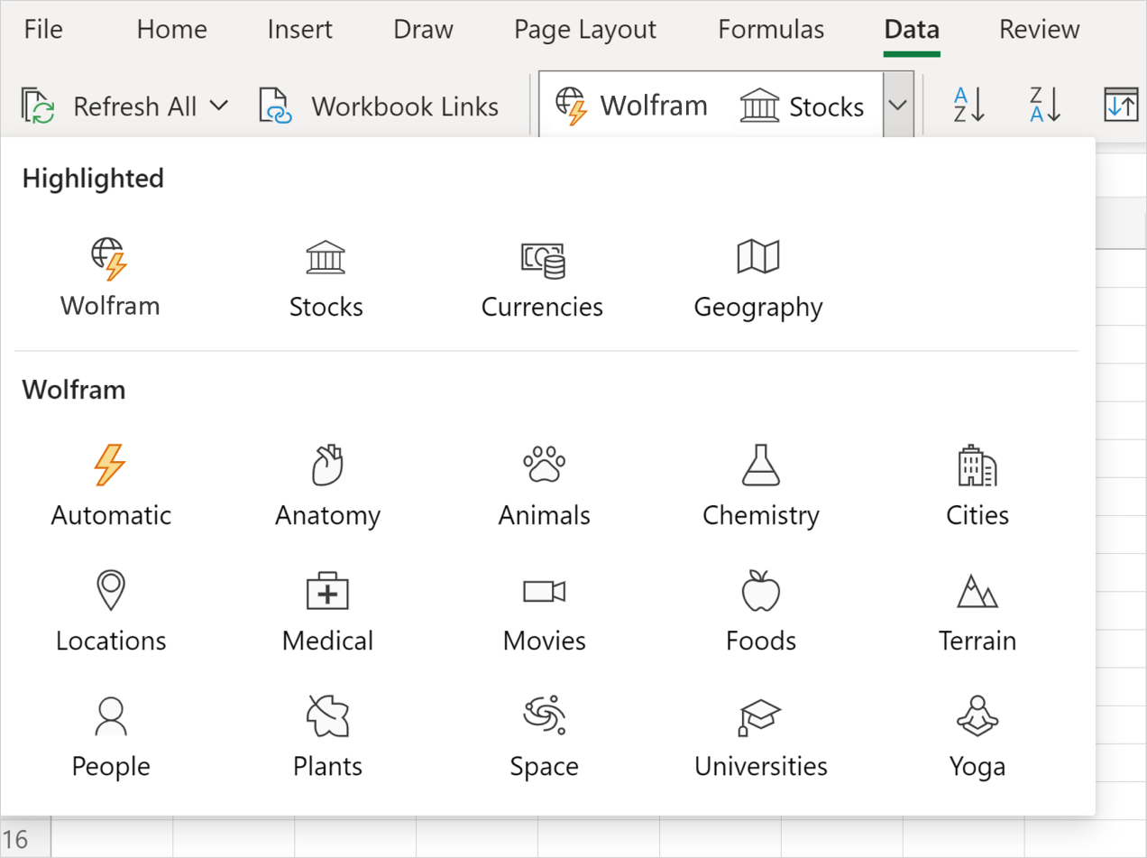

❸ | Select the Insert Data icon that appears on the right of the cell to see a list of data options. Choose one or more options to add them to the sheet.
 | 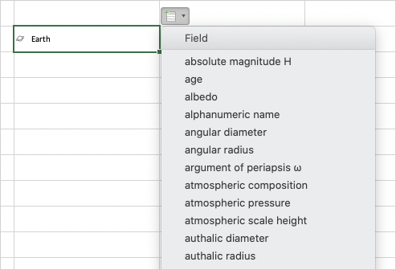

 | And you're done! Your sheet will populate with all the facts and information you need directly from Excel.
 | Check out this article to learn even more about data types

